Summary
INDEPENDENT REVIEW
Project Title: | Warrington East |  | Scheme Promoter: | Warrington Borough Council
Document Reviewed: | Interim Major Scheme Business Case |  | Permission Sought: | Conditional Approval
Date of Submission: |  |  | Date of Review: | 05/03/18 - 09/03/18
LEP Accountability Framework:
Scheme Description: | Improvements to A574 Birchwwod Way to relieve congestion.
SUMMARY SHEET

Overall Score: | 3 |  |  | 1 | Requirements fully met - No issues of note with the submission, project to progress as scheduled.
Overall Comments: | This review represents WSP's independent scrutiny of the Interim MSBC for Phase 2 of Warrington East improvements. It does not represent a detailed technical analyses, rather a review of the information presented within the BC. The scheme, which is promoted by Warrington Borough Council, is seeking conditional approval from the Cheshire and Warrington LEP and funding via Local Growth Deal. The submission demonstrates that the project has been developed to the expected standard for conditional approval. Responses are sought for the following: SC/EC/MC - quantify current situation and the scheme impact to enable the development of measureable targets to constitute success of the scheme; EC - understanding of the value for money of the individual components of the package, notably benefits of Moss Gate scheme in context of M62 J11 NPIF scheme; EC- undertake sensitivity tests as detailed in DfT TAG guidance; Full approval is subject to satisfactorily addressing the following as a matter of priority given the intention to commence works in May 2018: FC - clarify scheme costs have been independently verified and include contingency; FC - confirmation of funding profile; FC - provide evidence of underwriting of private sector contributions and any budget overspend; CC - finalise procurement route and provide evidence of approval; MC - provide detailed project programme; MC - provide details of any statutory powers and consents required to deliver the scheme; MC - provide up to date risk register. |  |  | 2 | Requirements substantially met - Minor issues exist with the submission. Project to progress and issues to be resolved.
 |  |  |  | 3 | Requirements partially met - Medium issues exist with the submission. Project to progress and issues to be resolved urgently.
 |  |  |  | 4 | Requirements not met - Critical issues exist with the submission. Project to be suspended whilst issues are resolved.

Case | Status | WSP Comments
Strategic Case | 2 | While the requirements are either fully or substantially met for most aspects, there are a couple of areas where further information is required to form a proper judgement. Scheme objectives and the measures for success are included but while the outcomes against the objectives are measureable, no targets have been included to state what would constitute success against the identified measures. The currnent problems and the scheme impact should be quantified using outputs ftom the traffic model. Scheme drawings and descriptions are provided but it is not clear what constitutes the NPIF schemes and what combination of NPIF and Phase 2 is included in the DN models. Potential constraints are detailed but not what impact they will have or how they will be overcome.
Economic Case | 2 | The requirements are mostly met for Economic Case. As stated in the SC review it is not clear exactly what the scheme is doing. This would be easily resolved with presentation of journey time analysis and improved sector analysis of TUBA results. Sensitivity tests using high and low growth have not been undertaken. Uncertainty exists around what extent of dualling between Moss Gate and M62 J11 should be in the Do Nothing models. What is modelled conflicts with some of the text in other areas of the BC and it may be under predicting the benefits of Phase 2 scheme. Other more minor issues do exist, mostly surrounding explanation and justification of modelling and impact assessment decisions.
Financial Case | 3 | Costs of £13,198,872 are presented thought the price base is not stated. This includes QRA cost. A breakdown of costs is not provided and it is unclear what, if any, contingency is included within the costs, and whether the costs have been independently verified LGF funding accounts for 52%, private sector contributions 19% and WBC 30%. Evidence of the commitment to underwrite private sector contributions and potential cost increases needs to be provided.
Commercial Case | 3 | The procurement has not been finalised. Scape framework has been detailed as a preferred procurement route but evidence needs to be provided when this has been approved by the Head of Procurement? Procurement timescales need to be presented. The QRA report and risk register should also be presented with the BC.
Management Case | 3 | Most requirements are met but the management case should provide a detailed programme, QRA report and Risk Register. Details of any requirements for planning permissions, land acquisition, environmental consents and traffic regulations need to be provided. As stated in the SC, specific targets should be provided against which the success of the scheme will be judged through the post implementation monitoring and evaluation plan.

Sign-Off
Reviewer's Signature: | 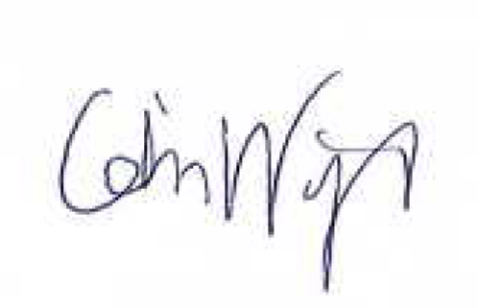 1 |  | Date: | 2018-03-09

